Problem 1
Account Type | Asset |  | Statement | Income statement
 | Liability |  |  | Balance sheet
 | Equity
 | Revenue
 | Expense

Select the account type and statement by clicking on the dropdown box:

Items | Account Type | Statement |  | Asset | Something the business owns
Accounts payable | Liability | Balance sheet |  | Liability | Something the business owes
Accounts receivable | Asset | Balance sheet |  | Equity | The net worth of the business, the owner’s stake
Administration expenses | Expense | Income statement |  | Revenue | What a business earns from the sale of goods or services
Borrowings | Liability | Balance sheet |  | Expense | Costs incurred to generate revenue, maintain daily operations
Cash | Asset | Balance sheet
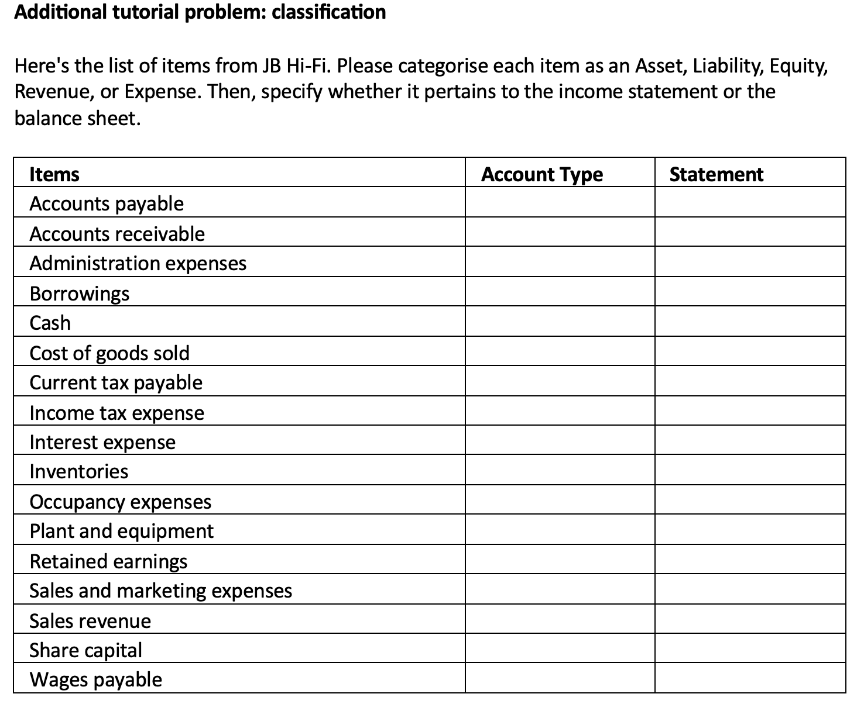
Cost of goods sold | Expense | Income statement
Current tax payable | Liability | Balance sheet
Income tax expense | Expense | Income statement
Interest expense | Expense | Income statement
Inventories | Asset | Balance sheet
Occupancy expenses | Expense | Income statement
Plant and equipment | Asset | Balance sheet
Retained earnings | Equity | Balance sheet
Sales and marketing expenses | Expense | Income statement
Sales revenue | Revenue | Income statement
Share capital | Equity | Balance sheet
Wages payable | Liability | Balance sheet
Wages paid | Expense | Income statement

